Import VBA for Docking
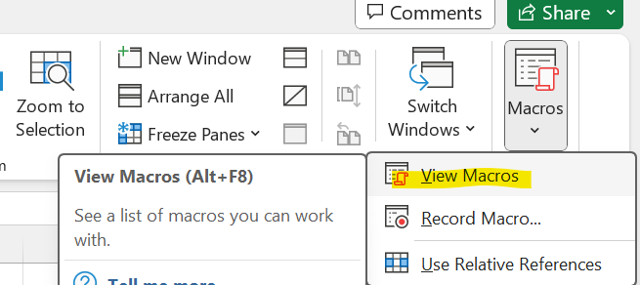
1 | Open Quote tool Excel → Click “Fn+Alt+F11”to open VBA (Visual Basic for Applications) Developer window

2 | Open Excel → Click “Fn+Alt+F11”to open VBA (Visual Basic for Applications) Developer window
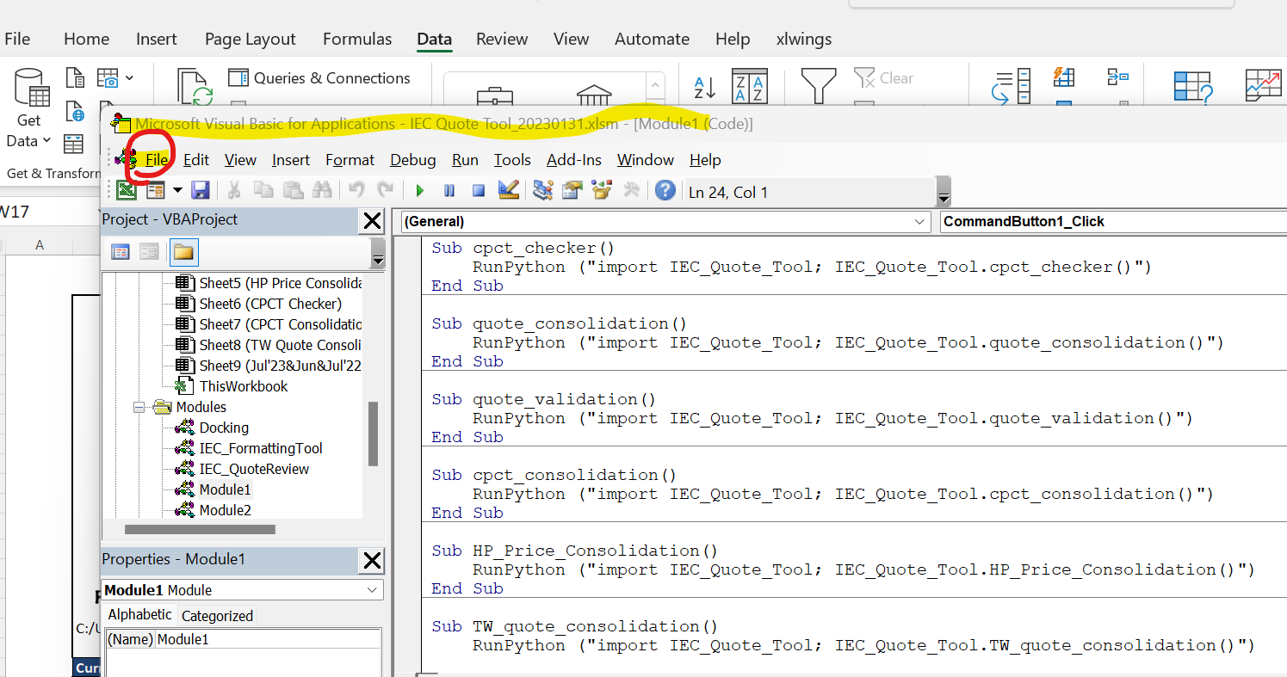

3 | Save attachment "Docking.bas", and import by " File-> Import File"
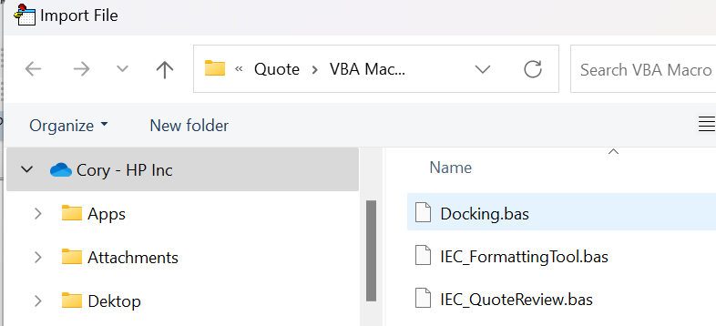
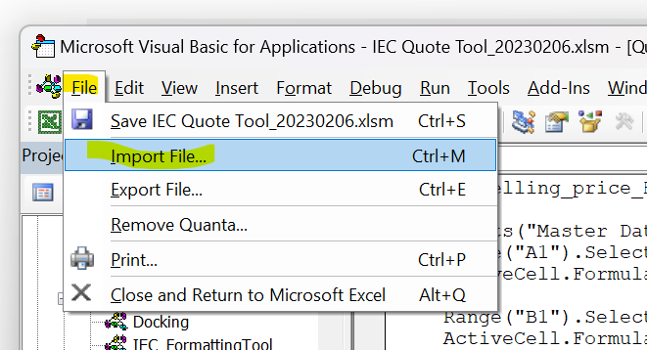

4 | Docking in appearing in Modules, with function "Create_DockingAVSKU".
 | Close the window.
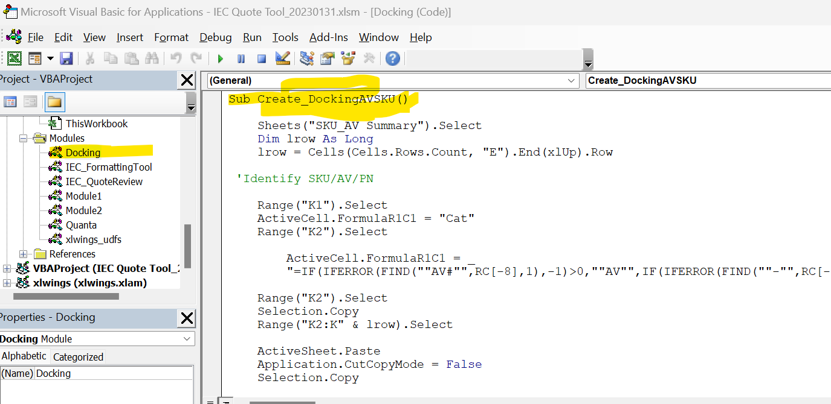

5 | Open Docking Quotes, make sure have "SKU_AV_Summary" sheet
 | Go to View->Macros-> Select "Docking create Summary" -> clike bottn "Run"
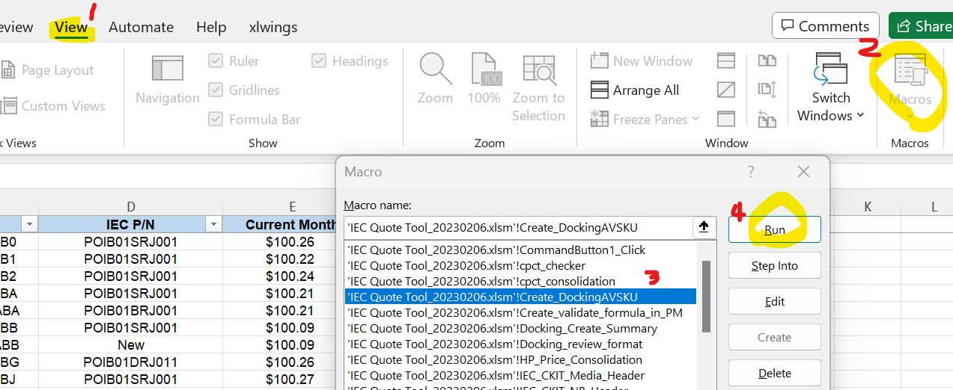

6 | "SKU Summary" and "AV Summary" sheets are done. (63PN and Third Party is for CQ site)
 | Save file.

# | Can check Macros by path: "View" -> Macros -> View Macros

py3.12 update log
1. Update pd.append
 |  | busa_base = pd.concat([busa_base, df_busa])
 |  | busa_base = busa_base[['SA \nLevel 3', 'Description', 'Total Base Unit Cost excluded B/S', 'Platform', 'Path']]
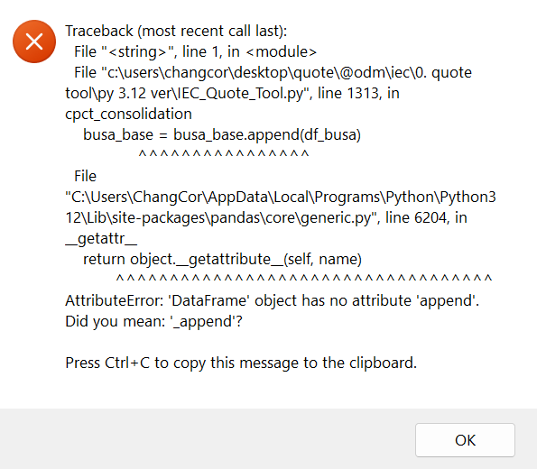
 |  | # Load OptionSA_SUM quote
 |  | if sheet_name_op:
 |  | if 'xlsb' in paths_cpct:
 |  | df_op = pd.read_excel(paths_cpct, engine='pyxlsb', skiprows=0, sheet_name=sheet_name_op)
 |  | else:
 |  | df_op = pd.read_excel(paths_cpct, skiprows=0, sheet_name=sheet_name_op)
 |  | else:
 |  | df_op = pd.DataFrame(columns=['SA PartNumber', 'SA Description', 'Total Cost', 'Program Matrix'])
 |  | sheet_op_missing.append(paths_cpct)

 |  | # Add 'Path' column to df_op
 |  | df_op['Path'] = paths_cpct

 |  | # Concatenate dataframes
 |  | op_base = pd.concat([op_base, df_op], ignore_index=True)
 |  | op_base = op_base[['SA PartNumber', 'SA Description', 'Total Cost', 'Path']]

 |  | wb.close() # Close the file
 |  | app.quit() # Close the application

2. update append to concat
# For busa_base
busa_base = pd.concat([busa_base, df_busa], ignore_index=True)
op_base = pd.concat([op_base, df_op], ignore_index=True)

---------------------------
Error
c:\users\changcor\desktop\quote\@odm\iec\0. quote tool\py 3.12 ver\IEC_Quote_Tool.py:488: FutureWarning: The behavior of DataFrame concatenation with empty or all-NA entries is deprecated. In a future version, this will no longer exclude empty or all-NA columns when determining the result dtypes. To retain the old behavior, exclude the relevant entries before the concat operation.
df3 = pd.concat([df3, df_quote_masterdata], ignore_index=True)
c:\users\changcor\desktop\quote\@odm\iec\0. quote tool\py 3.12 ver\IEC_Quote_Tool.py:496: FutureWarning: The behavior of DataFrame concatenation with empty or all-NA entries is deprecated. In a future version, this will no longer exclude empty or all-NA columns when determining the result dtypes. To retain the old behavior, exclude the relevant entries before the concat operation.
df = pd.concat([df, df_quote_ckit], ignore_index=True)
c:\users\changcor\desktop\quote\@odm\iec\0. quote tool\py 3.12 ver\IEC_Quote_Tool.py:503: FutureWarning: The behavior of DataFrame concatenation with empty or all-NA entries is deprecated. In a future version, this will no longer exclude empty or all-NA columns when determining the result dtypes. To retain the old behavior, exclude the relevant entries before the concat operation.
df2 = pd.concat([df2, df_quote_busa], ignore_index=True)
Traceback (most recent call last):
File "<string>", line 1, in <module>
File "c:\users\changcor\desktop\quote\@odm\iec\0. quote tool\py 3.12 ver\IEC_Quote_Tool.py", line 560, in quote_validation
busa_base = busa_base.append(df_busa)
^^^^^^^^^^^^^^^^
File "C:\Users\ChangCor\AppData\Local\Programs\Python\Python312\Lib\site-packages\pandas\core\generic.py", line 6204, in __getattr__
return object.__getattribute__(self, name)
^^^^^^^^^^^^^^^^^^^^^^^^^^^^^^^^^^^
AttributeError: 'DataFrame' object has no attribute 'append'. Did you mean: '_append'?
Press Ctrl+C to copy this message to the clipboard.
OK

3. Update DataFrame.set_axis()
busa_base=busa_base.set_axis(axis='columns', labels=['HP P/N', 'Description', 'Current Price', 'Category', 'Path'])
op_base=op_base.set_axis(axis='columns', labels=['HP P/N', 'Description', 'Current Price', 'Category', 'Path'])
df_twquote=df_twquote.set_axis(axis='columns', labels=['Part', 'Description', new_effective_day, 'Platform', 'ODM'])
---------------------------
Error
c:\users\changcor\desktop\quote\@odm\iec\0. quote tool\py 3.12 ver\IEC_Quote_Tool.py:488: FutureWarning: The behavior of DataFrame concatenation with empty or all-NA entries is deprecated. In a future version, this will no longer exclude empty or all-NA columns when determining the result dtypes. To retain the old behavior, exclude the relevant entries before the concat operation.
df3 = pd.concat([df3, df_quote_masterdata], ignore_index=True)
c:\users\changcor\desktop\quote\@odm\iec\0. quote tool\py 3.12 ver\IEC_Quote_Tool.py:496: FutureWarning: The behavior of DataFrame concatenation with empty or all-NA entries is deprecated. In a future version, this will no longer exclude empty or all-NA columns when determining the result dtypes. To retain the old behavior, exclude the relevant entries before the concat operation.
df = pd.concat([df, df_quote_ckit], ignore_index=True)
c:\users\changcor\desktop\quote\@odm\iec\0. quote tool\py 3.12 ver\IEC_Quote_Tool.py:503: FutureWarning: The behavior of DataFrame concatenation with empty or all-NA entries is deprecated. In a future version, this will no longer exclude empty or all-NA columns when determining the result dtypes. To retain the old behavior, exclude the relevant entries before the concat operation.
df2 = pd.concat([df2, df_quote_busa], ignore_index=True)
c:\users\changcor\desktop\quote\@odm\iec\0. quote tool\py 3.12 ver\IEC_Quote_Tool.py:564: FutureWarning: The behavior of DataFrame concatenation with empty or all-NA entries is deprecated. In a future version, this will no longer exclude empty or all-NA columns when determining the result dtypes. To retain the old behavior, exclude the relevant entries before the concat operation.
busa_base = pd.concat([busa_base, df_busa], ignore_index=True)
c:\users\changcor\desktop\quote\@odm\iec\0. quote tool\py 3.12 ver\IEC_Quote_Tool.py:565: FutureWarning: The behavior of DataFrame concatenation with empty or all-NA entries is deprecated. In a future version, this will no longer exclude empty or all-NA columns when determining the result dtypes. To retain the old behavior, exclude the relevant entries before the concat operation.
op_base = pd.concat([op_base, df_op], ignore_index=True)
c:\users\changcor\desktop\quote\@odm\iec\0. quote tool\py 3.12 ver\IEC_Quote_Tool.py:651: FutureWarning: The behavior of DataFrame concatenation with empty or all-NA entries is deprecated. In a future version, this will no longer exclude empty or all-NA columns when determining the result dtypes. To retain the old behavior, exclude the relevant entries before the concat operation.
df_ckit_me = pd.concat((df_ckit_me, df_ckit_me1[['HP P/N', 'Description', 'Current Price']]), axis=0, ignore_index=True)
c:\users\changcor\desktop\quote\@odm\iec\0. quote tool\py 3.12 ver\IEC_Quote_Tool.py:659: FutureWarning: Series.fillna with 'method' is deprecated and will raise in a future version. Use obj.ffill() or obj.bfill() instead.
ckit_base['Current Price'].fillna(method='ffill', inplace=True)
Traceback (most recent call last):
File "<string>", line 1, in <module>
File "c:\users\changcor\desktop\quote\@odm\iec\0. quote tool\py 3.12 ver\IEC_Quote_Tool.py", line 698, in quote_validation
busa_base.set_axis(['HP P/N', 'Description', 'Current Price', 'Category', 'Path'],axis='columns', inplace=True)
TypeError: DataFrame.set_axis() got an unexpected keyword argument 'inplace'
Press Ctrl+C to copy this message to the clipboard.
OK

from | busa_base.set_axis(['HP P/N', 'Description', 'Current Price', 'Category', 'Path'],axis='columns', inplace=True)
to | busa_base=busa_base.set_axis(axis='columns', labels=['HP P/N', 'Description', 'Current Price', 'Category', 'Path'])

from | op_base.set_axis(['HP P/N', 'Description', 'Current Price', 'Category', 'Path'],axis='columns', inplace=True)
to | op_base=op_base.set_axis(axis='columns', labels=['HP P/N', 'Description', 'Current Price', 'Category', 'Path'])

 | df_twquote.set_axis(['Part', 'Description', new_effective_day, 'Platform', 'ODM'], axis='columns', inplace=True)
 | df_twquote=df_twquote.set_axis(axis='columns', labels=['Part', 'Description', new_effective_day, 'Platform', 'ODM'])

CPCT Checker
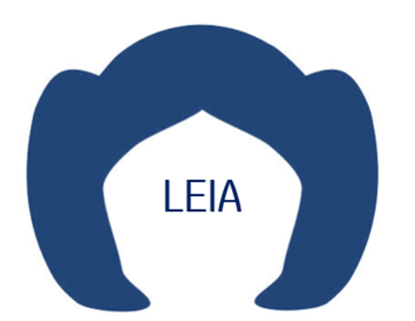

CPCT Checker

C:/Users/ChCo368/Desktop/IMX/Jul'24/IDS/CPCT_revised

 |  |  | Please contact lily.chen1@hp.com for any modification / enhancement to this tool

 | Platform | CPC Tracker-pricing update |  | CPC Tracker-spec change | (not include TBD changes)
 | Luisa- CS- CPC Tracker_20240605.xlsx | 0 |  | 0
 | LuisaW- CS- CPC Tracker_20240605a.xlsx | 0 |  | 0

Quote Validation
 |  |  |  |  |  |  | 複選要的CPCT_Revised
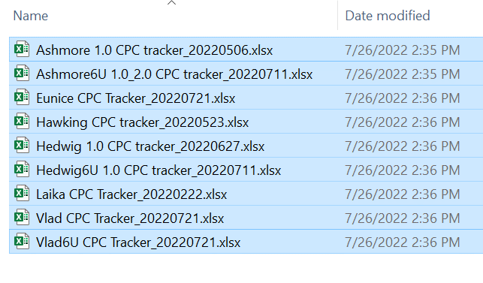

 |  |  |  | Remember revise B/S file and CKIT headers before run the tool
Quote Validation

 |  |  |  |  |  |  | 複選要的quote
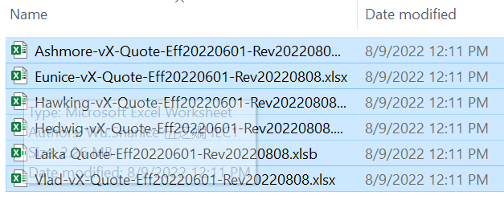

C:/Users/ChCo368/Desktop/IMX/Jul'24/IDS/Quote_Validation/Quote_Validation_2024-06-28-14-04-50rev.xlsx

Current Validate platform |  |  | C:/Users/ChCo368/Desktop/IMX/Jul'24/IDS/Quote/{IMX} Baymax 13X Quote-Eff20240701-Rev20240626.xlsx
Current Validate CPCT |  |  | C:/Users/ChCo368/Desktop/IMX/Jul'24/IDS/CPCT_revised/{MX} Baymax#13X- x360- CPC Tracker_20240618.xlsx
 |  |  |  |  | Please contact lily.chen1@hp.com for any modification / enhancement to this tool

 |  | 0
 | 0 | C:/Users/ChCo368/Desktop/IMX/Jul'24/IDS/Quote/{IMX} Baymax 13X Quote-Eff20240701-Rev20240626.xlsx |  |  |  | 0
 |  |  |  |  |  | 1
 |  |  |  |  |  | 2

Quote Consolidation
Quote Consolidation

C:/Users/ChCo368/Desktop/IMX/Jul'24/IDS/Quote_Consolidation_Jul-2024/Quote_Consolidation_Jul-2024_2024-06-28-16-06-40.xlsx

 |  |  | Please contact lily.chen1@hp.com for any modification / enhancement to this tool

 |  | 0
 | 0 | C:/Users/ChCo368/Desktop/IMX/Jul'24/IDS/Quote/{IMX} Baymax 13X Quote-Eff20240701-Rev20240626.xlsx
 | 1 | C:/Users/ChCo368/Desktop/IMX/Jul'24/IDS/Quote/{IMX} Baymax13 Quote-Eff20240701-Rev20240626.xlsx
 | 2 | C:/Users/ChCo368/Desktop/IMX/Jul'24/IDS/Quote/{IMX} Baymax14 Quote-Eff20240701-Rev20240626.xlsx
 | 3 | C:/Users/ChCo368/Desktop/IMX/Jul'24/IDS/Quote/{IMX} Baymax16 Quote-Eff20240701-Rev20240626.xlsx
 | 4 | C:/Users/ChCo368/Desktop/IMX/Jul'24/IDS/Quote/{IMX} Luisa13 Quote-Eff20240701-Rev20240626.xlsx
 | 5 | C:/Users/ChCo368/Desktop/IMX/Jul'24/IDS/Quote/{IMX} Luisa14 Quote-Eff20240701-Rev20240626.xlsx
 | 6 | C:/Users/ChCo368/Desktop/IMX/Jul'24/IDS/Quote/{IMX} Luisa14W Quote-Eff20240701-Rev20240626.xlsx
 | 7 | C:/Users/ChCo368/Desktop/IMX/Jul'24/IDS/Quote/{IMX} Luisa16 Quote-Eff20240701-Rev20240626.xlsx

CPCT Consolidation
 |  |  |  | Option
 |  |  |  | For Eevee tool review BUSA+option, upload to CCS
 |  |  |  | Use Revised CPCT

CPCT Consolidation

C:/Users/ChangCor/Desktop/Quote/@ODM/IEC/Final Quote/08 Aug'22/CPCT_Consolidation/CPCT_Consolidation_2022-10-14-13-20-47.xlsx

Current Consolidate CPCT |  |  | C:/Users/ChangCor/Desktop/Quote/@ODM/IEC/0. Quote Tool/Testing-Feb'24/CPCT_revised/Adicora_CPC Tracker_20231204.xlsx

 |  |  |  |  | Remind no data sheet

 |  | 0 |  |  |  | 0
 | 0 | C:/Users/ChangCor/Desktop/Quote/@ODM/IEC/Final Quote/08 Aug'22/Quote/Ashmore-vX-Quote-Eff20220801-Rev20221006.xlsx |  |  | 0 | C:/Users/ChangCor/Desktop/Quote/@ODM/IEC/Final Quote/08 Aug'22/Quote/Ashmore-vX-Quote-Eff20220801-Rev20221006.xlsx
 | 1 | C:/Users/ChangCor/Desktop/Quote/@ODM/IEC/Final Quote/08 Aug'22/Quote/Eunice-vX-Quote-Eff20220801-Rev20221006.xlsx |  |  | 1 | C:/Users/ChangCor/Desktop/Quote/@ODM/IEC/Final Quote/08 Aug'22/Quote/Eunice-vX-Quote-Eff20220801-Rev20221006.xlsx
 | 2 | C:/Users/ChangCor/Desktop/Quote/@ODM/IEC/Final Quote/08 Aug'22/Quote/Hawking-vX-Quote-Eff20220801-Rev20221006.xlsx |  |  | 2 | C:/Users/ChangCor/Desktop/Quote/@ODM/IEC/Final Quote/08 Aug'22/Quote/Hawking-vX-Quote-Eff20220801-Rev20221006.xlsx
 | 3 | C:/Users/ChangCor/Desktop/Quote/@ODM/IEC/Final Quote/08 Aug'22/Quote/Hedwig-vX-Quote-Eff20220801-Rev20221006.xlsx |  |  | 3 | C:/Users/ChangCor/Desktop/Quote/@ODM/IEC/Final Quote/08 Aug'22/Quote/Hedwig-vX-Quote-Eff20220801-Rev20221006.xlsx
 | 4 | C:/Users/ChangCor/Desktop/Quote/@ODM/IEC/Final Quote/08 Aug'22/Quote/Laika Quote-Eff20220801-Rev20221006.xlsb |  |  | 4 | C:/Users/ChangCor/Desktop/Quote/@ODM/IEC/Final Quote/08 Aug'22/Quote/Laika Quote-Eff20220801-Rev20221006.xlsb
 | 5 | C:/Users/ChangCor/Desktop/Quote/@ODM/IEC/Final Quote/08 Aug'22/Quote/Vlad-vX-Quote-Eff20220801-Rev20221007.xlsx |  |  | 5 | C:/Users/ChangCor/Desktop/Quote/@ODM/IEC/Final Quote/08 Aug'22/Quote/Vlad-vX-Quote-Eff20220801-Rev20221007.xlsx

HP Price Consolidation
 |  |  |  |  | optional: Consolidate to check price

HP Price Consolidate

C:/Users/CheLily/OneDrive - HP Inc/Desktop/Quote/Quote Validation-IEC/Initial Quote/202206_test/HP Price_Consolidation/HP Price_Consolidation_2022-05-30-11-54-34.xlsx

Current Validate CPCT |  |  | C:/Users/CheLily/OneDrive - HP Inc/Desktop/Quote/Quote Validation-IEC/Initial Quote/202206_test/OneDrive_1_2022-5-30 (1)/Warpath#14LX- 1v0- CPC Tracker- 20220323.xlsx
 |  |  |  | Please contact lily.chen1@hp.com for any modification / enhancement to this tool

 |  | 0
 | 0 | C:/Users/CheLily/OneDrive - HP Inc/Desktop/Quote/Quote Validation-IEC/Initial Quote/202206_test/OneDrive_1_2022-5-30 (1)/Adicora_CPC Tracker_20220526A.xlsx
 | 1 | C:/Users/CheLily/OneDrive - HP Inc/Desktop/Quote/Quote Validation-IEC/Initial Quote/202206_test/OneDrive_1_2022-5-30 (1)/Aloe 1.0 2.0 CPC Tracker_20211224.xlsx
 | 2 | C:/Users/CheLily/OneDrive - HP Inc/Desktop/Quote/Quote Validation-IEC/Initial Quote/202206_test/OneDrive_1_2022-5-30 (1)/Anole_1v0-CPC Tracker_20220510.xlsx
 | 3 | C:/Users/CheLily/OneDrive - HP Inc/Desktop/Quote/Quote Validation-IEC/Initial Quote/202206_test/OneDrive_1_2022-5-30 (1)/Anthem 1.0-CPC tracker_20211224.xlsx
 | 4 | C:/Users/CheLily/OneDrive - HP Inc/Desktop/Quote/Quote Validation-IEC/Initial Quote/202206_test/OneDrive_1_2022-5-30 (1)/Arclight_1v0-CPC Tracker_20220510.xlsx
 | 5 | C:/Users/CheLily/OneDrive - HP Inc/Desktop/Quote/Quote Validation-IEC/Initial Quote/202206_test/OneDrive_1_2022-5-30 (1)/Cadillac-1v0- CPC Tracker- 20220526.xlsx
 | 6 | C:/Users/CheLily/OneDrive - HP Inc/Desktop/Quote/Quote Validation-IEC/Initial Quote/202206_test/OneDrive_1_2022-5-30 (1)/Camellia-1v0- CPC Tracker- 20211227A.xlsx
 | 7 | C:/Users/CheLily/OneDrive - HP Inc/Desktop/Quote/Quote Validation-IEC/Initial Quote/202206_test/OneDrive_1_2022-5-30 (1)/Cannonball and Malta- CPC tracker-20220524A.xlsx
 | 8 | C:/Users/CheLily/OneDrive - HP Inc/Desktop/Quote/Quote Validation-IEC/Initial Quote/202206_test/OneDrive_1_2022-5-30 (1)/CocoaR 14 1.0_CPC Tracker_20220110A.xlsx
 | 9 | C:/Users/CheLily/OneDrive - HP Inc/Desktop/Quote/Quote Validation-IEC/Initial Quote/202206_test/OneDrive_1_2022-5-30 (1)/CoconutR 15.6-1.0_CPC Tracker_20211224.xlsx
 | 10 | C:/Users/CheLily/OneDrive - HP Inc/Desktop/Quote/Quote Validation-IEC/Initial Quote/202206_test/OneDrive_1_2022-5-30 (1)/Copy of Hook 2.0 -CPC tracker_20220526A_2.xlsx
 | 11 | C:/Users/CheLily/OneDrive - HP Inc/Desktop/Quote/Quote Validation-IEC/Initial Quote/202206_test/OneDrive_1_2022-5-30 (1)/Corvette#14L CPC Tracker_20220526.xlsx
 | 12 | C:/Users/CheLily/OneDrive - HP Inc/Desktop/Quote/Quote Validation-IEC/Initial Quote/202206_test/OneDrive_1_2022-5-30 (1)/Corvette-1v0- CPC Tracker- 20220526.xlsx
 | 13 | C:/Users/CheLily/OneDrive - HP Inc/Desktop/Quote/Quote Validation-IEC/Initial Quote/202206_test/OneDrive_1_2022-5-30 (1)/Grizzly 1.0-1v0-CPC Tracker-20211224.xlsx
 | 14 | C:/Users/CheLily/OneDrive - HP Inc/Desktop/Quote/Quote Validation-IEC/Initial Quote/202206_test/OneDrive_1_2022-5-30 (1)/Grizzly#2.0-1v0-CPC Tracker-20211224.xlsx
 | 15 | C:/Users/CheLily/OneDrive - HP Inc/Desktop/Quote/Quote Validation-IEC/Initial Quote/202206_test/OneDrive_1_2022-5-30 (1)/Hokkaido-1v0-CPC Tracker-20220323.xlsx
 | 16 | C:/Users/CheLily/OneDrive - HP Inc/Desktop/Quote/Quote Validation-IEC/Initial Quote/202206_test/OneDrive_1_2022-5-30 (1)/Hook 1.0_CPC Tracker_20211224.xlsx
 | 17 | C:/Users/CheLily/OneDrive - HP Inc/Desktop/Quote/Quote Validation-IEC/Initial Quote/202206_test/OneDrive_1_2022-5-30 (1)/Lancia-1v0- CPC Tracker- 20220526.xlsx
 | 18 | C:/Users/CheLily/OneDrive - HP Inc/Desktop/Quote/Quote Validation-IEC/Initial Quote/202206_test/OneDrive_1_2022-5-30 (1)/Linden-1v0- CPC Tracker- 20211227A.xlsx
 | 19 | C:/Users/CheLily/OneDrive - HP Inc/Desktop/Quote/Quote Validation-IEC/Initial Quote/202206_test/OneDrive_1_2022-5-30 (1)/Lochness-1v0- CPC Tracker- 20220526.xlsx
 | 20 | C:/Users/CheLily/OneDrive - HP Inc/Desktop/Quote/Quote Validation-IEC/Initial Quote/202206_test/OneDrive_1_2022-5-30 (1)/Lockheed- 1v0- CPC Tracker- 20220524A.xlsx
 | 21 | C:/Users/CheLily/OneDrive - HP Inc/Desktop/Quote/Quote Validation-IEC/Initial Quote/202206_test/OneDrive_1_2022-5-30 (1)/Magneta CPC Tracker_20220509.xlsx
 | 22 | C:/Users/CheLily/OneDrive - HP Inc/Desktop/Quote/Quote Validation-IEC/Initial Quote/202206_test/OneDrive_1_2022-5-30 (1)/Oleander-1v0- CPC Tracker- 20211227A.xlsx
 | 23 | C:/Users/CheLily/OneDrive - HP Inc/Desktop/Quote/Quote Validation-IEC/Initial Quote/202206_test/OneDrive_1_2022-5-30 (1)/Opel-1v0- CPC Tracker- 20220526.xlsx
 | 24 | C:/Users/CheLily/OneDrive - HP Inc/Desktop/Quote/Quote Validation-IEC/Initial Quote/202206_test/OneDrive_1_2022-5-30 (1)/Paradigm 1.0 CPC tracker_20220223.xlsx
 | 25 | C:/Users/CheLily/OneDrive - HP Inc/Desktop/Quote/Quote Validation-IEC/Initial Quote/202206_test/OneDrive_1_2022-5-30 (1)/Pepper-1v0-CPC Tracker_20211224.xlsx
 | 26 | C:/Users/CheLily/OneDrive - HP Inc/Desktop/Quote/Quote Validation-IEC/Initial Quote/202206_test/OneDrive_1_2022-5-30 (1)/Pixie-1v0-CPC Tracker_20220524A.xlsx
 | 27 | C:/Users/CheLily/OneDrive - HP Inc/Desktop/Quote/Quote Validation-IEC/Initial Quote/202206_test/OneDrive_1_2022-5-30 (1)/Powderkeg- 1v0- CPC Tracker- 20220524A.xlsx
 | 28 | C:/Users/CheLily/OneDrive - HP Inc/Desktop/Quote/Quote Validation-IEC/Initial Quote/202206_test/OneDrive_1_2022-5-30 (1)/Silverbell 1.0 CPC tracker_20220222.xlsx
 | 29 | C:/Users/CheLily/OneDrive - HP Inc/Desktop/Quote/Quote Validation-IEC/Initial Quote/202206_test/OneDrive_1_2022-5-30 (1)/Starfox-1v0-CPC Tracker- 20220525.xlsx
 | 30 | C:/Users/CheLily/OneDrive - HP Inc/Desktop/Quote/Quote Validation-IEC/Initial Quote/202206_test/OneDrive_1_2022-5-30 (1)/Starlight-1v0-CPC Tracker-20220524A.xlsx
 | 31 | C:/Users/CheLily/OneDrive - HP Inc/Desktop/Quote/Quote Validation-IEC/Initial Quote/202206_test/OneDrive_1_2022-5-30 (1)/Sylva-1v0-CPC Tracker-20220526.xlsx
 | 32 | C:/Users/CheLily/OneDrive - HP Inc/Desktop/Quote/Quote Validation-IEC/Initial Quote/202206_test/OneDrive_1_2022-5-30 (1)/Vision CPCT_20220516.xlsx
 | 33 | C:/Users/CheLily/OneDrive - HP Inc/Desktop/Quote/Quote Validation-IEC/Initial Quote/202206_test/OneDrive_1_2022-5-30 (1)/Warpath- 1v0- CPC Tracker- 20220518.xlsx
 | 34 | C:/Users/CheLily/OneDrive - HP Inc/Desktop/Quote/Quote Validation-IEC/Initial Quote/202206_test/OneDrive_1_2022-5-30 (1)/Warpath#14L- 1v0- CPC Tracker- 20220517.xlsx
 | 35 | C:/Users/CheLily/OneDrive - HP Inc/Desktop/Quote/Quote Validation-IEC/Initial Quote/202206_test/OneDrive_1_2022-5-30 (1)/Warpath#14LX- 1v0- CPC Tracker- 20220323.xlsx

TW Quote Consolidation
 |  |  |  |  |  |  | Option
 |  |  |  |  |  |  | For Karin's task

TW Quote Consolidate

C:/Users/CheLily/OneDrive - HP Inc/Desktop/Quote/Quote Tool/test_iec/TW Quote/TW Quote Consolidation_May-2022/TW Quote Consolidation_May-2022_2022-06-01-17-53-48.xlsx

Current Consolidation Quote |  |  | C:/Users/ChCo368/Desktop/IEC/Initial Quote/Jun'24/TW Quote/June. 2024 TW CM Quotes_Foxconn_Rev20240530.xlsb
 |  |  |  |  |  | Please contact lily.chen1@hp.com for any modification / enhancement to this tool

 |  | 0
 | 0 | C:/Users/CheLily/OneDrive - HP Inc/Desktop/Quote/Quote Tool/test_iec/TW Quote/TW QUOTE/May 2022 TW CM Quote_Compal_Rev20220428.xlsb
 | 1 | C:/Users/CheLily/OneDrive - HP Inc/Desktop/Quote/Quote Tool/test_iec/TW Quote/TW QUOTE/May. 2022 TW CM Quotes_Foxconn_Rev20220428.xlsb

 | TW CM Quote has repetition SKU+AV as below
 |  | SKU | AV | ODM | Path
 | 25 | 5SG63PC#AB0 | AY104AV | Foxconn | C:/Users/CheLily/OneDrive - HP Inc/Desktop/Quote/Quote Tool/test_iec/TW Quote/TW QUOTE/May. 2022 TW CM Quotes_Foxconn_Rev20220428.xlsb

